Sheet1
Sample name | Sample size | Strength (PSI) | Average | STD | Sample name | Sample size | Strength (PSI) | Average | STD | Sample name | Sample size | Strength (PSI) | Average | STD
A1 | 1*1*0.5 | 6326.41 | 5908.59 | 1603.42 | I1 | 1*1*1 | 1627.27 | 1183.43 | 330.92 | M1 | 1*1*1 | 3198.03 | 2966.41 | 519.89
A2 |  | 3220.47 |  |  | I2 |  | 833 |  |  | M2 |  | 2643.61 |  |  | Results reliable
A3 |  | 7434.95 |  |  | I3 |  | 1090.01 |  |  | M3 |  | 2845 |  |  | Results non-reliable
A4 |  | 6652.53 |  |  |  |  |  |  |  | M4 |  | 2312.37
 |  |  |  |  |  |  |  |  |  | M5 |  | 3833.06
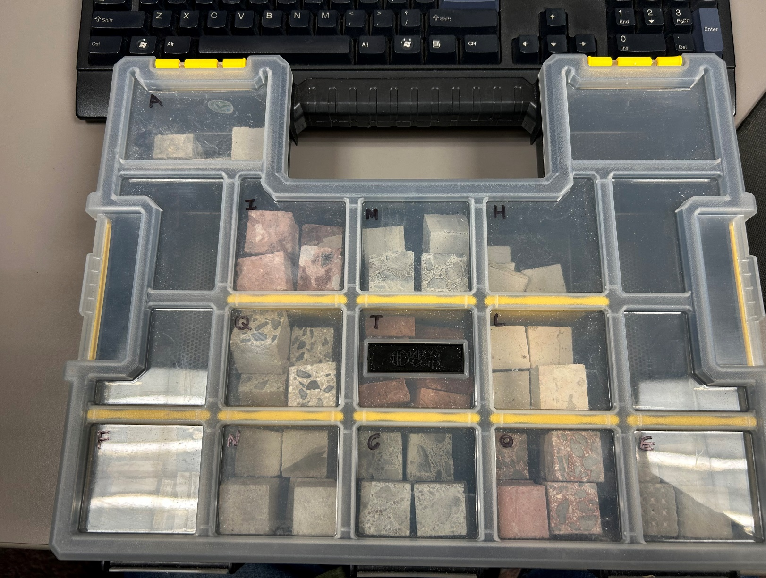

Sample name | Sample size | Strength (PSI) | Average | STD | Sample name | Sample size | Strength (PSI) | Average | STD | Sample name | Sample size | Strength (PSI) | Average | STD
H1 | 1*1*1 | 2219.57 | 2219.57 | 0 | Q1 | 1*1*1 | 2805.68 | 3697.34 | 1051.04 | L1 | 1*1*1 | 5383.43 | 7049.79 | 2300.28
 |  |  |  |  | Q2 |  | 3212.31 |  |  | L2 |  | 4593.32
 |  |  |  |  | Q3 |  | 5506.66 |  |  | L3 |  | 7605.7
 |  |  |  |  | Q4 |  | 4231.31 |  |  | L4 |  | 6490.72
 |  |  |  |  | Q1 |  | 2730.74 |  |  | L5 |  | 11175.79

Sample name | Sample size | Strength (PSI) | Average | STD | Sample name | Sample size | Strength (PSI) | Average | STD | Sample name | Sample size | Strength (PSI) | Average | STD
N1 | 1*1*1 | 3231.11 | 2023.02 | 754.88 | C1 | 1*1*1 | 3066.43 | 4054.18 | 724.12 | O1 | 1*1*0.5 | 3307 | 2885.37 | 492.72
N2 |  | 2267.91 |  |  | C2 |  | 3196.71 |  |  | O2 |  | 3087.11
N3 |  | 1423.71 |  |  | C3 |  | 4206.53 |  |  | O3 |  | 3250.28
N4 |  | 1372.65 |  |  | C4 |  | 4846.3 |  |  | O4 |  | 2942.91
N5 |  | 1180.81 |  |  | C5 |  | 4939.78 |  |  | O5 |  | 2775.99
N6 |  | 2661.9 |  |  | C6 |  | 4069.33 |  |  | O6 |  | 3085.76
 |  |  |  |  |  |  |  |  |  | O7 |  | 1748.55

Sample name | Sample size | Strength (PSI) | Average | STD | Sample name | Sample size | Strength (PSI) | Average | STD
E1 | 1*1*0.75 | 1787.78 | 3367.43 | 1046.96 | T1 | 1*1*0.5 | 18205 | 19258.15 | 1645.36
E2 |  | 2551.04 |  |  | T2 |  | 17250.27
E3 |  | 4211.31 |  |  | T3 |  | 21496.9
E4 |  | 2759.99 |  |  | T4 |  | 20080.44
E5 |  | 4478
E6 |  | 4416.44

